D7. Stratification Graphs
 |  |  | Retained Covered Bonds

 | Straticifation Tables

 | Portfolio Cut-off Date
 |  |  | 31/08/2026

 |  | 1. Geographic distribution
 | 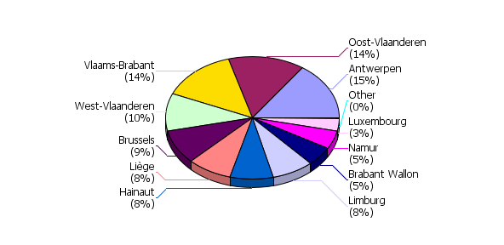
 | 2. Seasoning
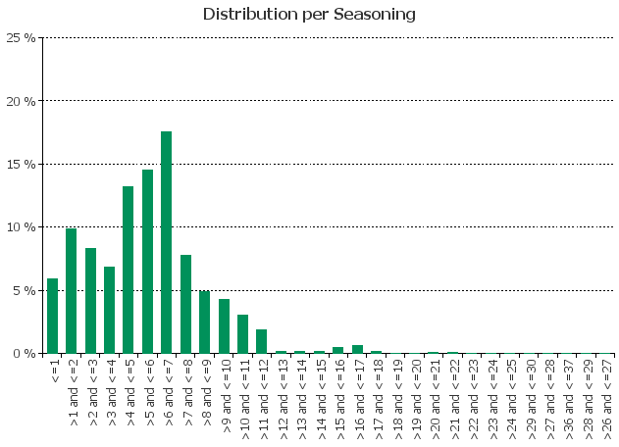
 | 3. Remaining term to maturity
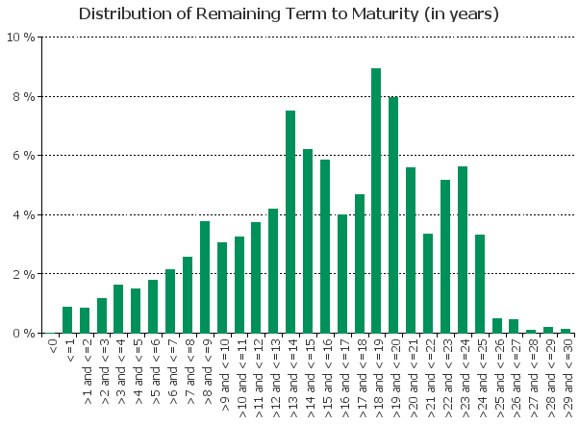
 | 4. Original term to maturity
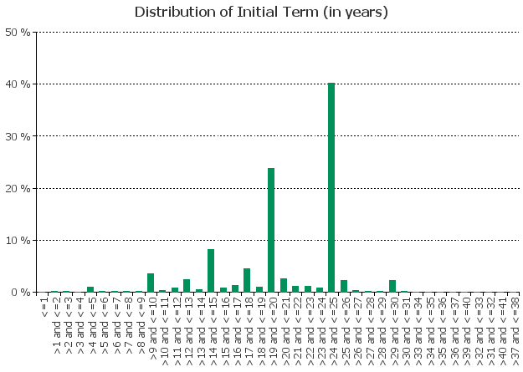
 | 5. Origination Year
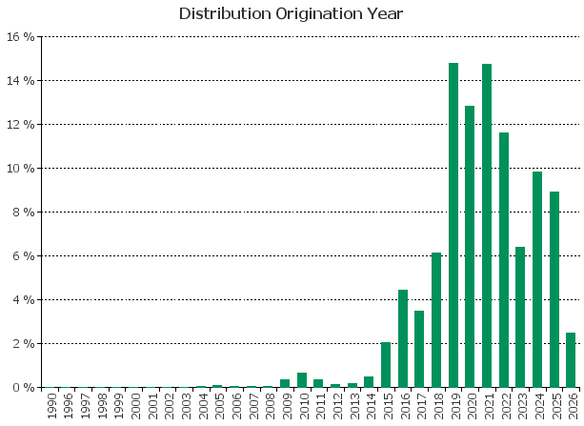
 | 6. Outstanding Loan Balance by Borrower
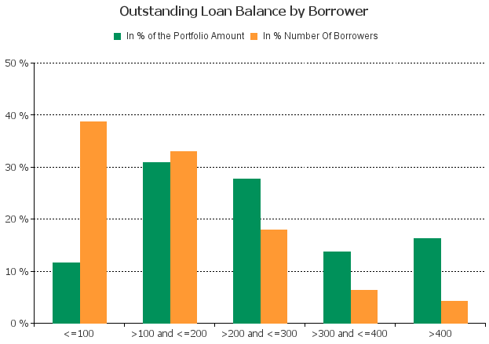
 | 7. Interest Rate

 | 8. Interest Rate Type
 |  | 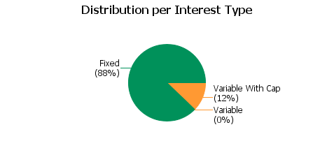
 | 9. Next Reset Date
 |  | 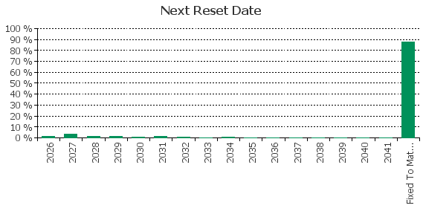
 | 10. Interest Payment Frequency
 |  | 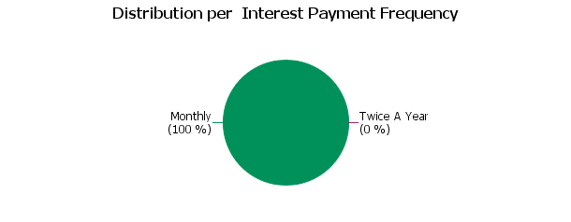
 | 11. Repayment Type
 |  | 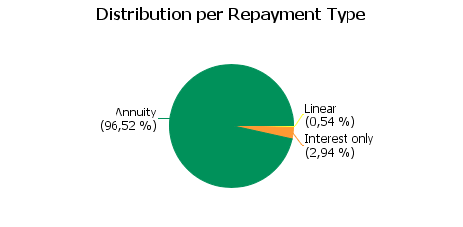
 | 12. Current Loan to Current Value (LTV)
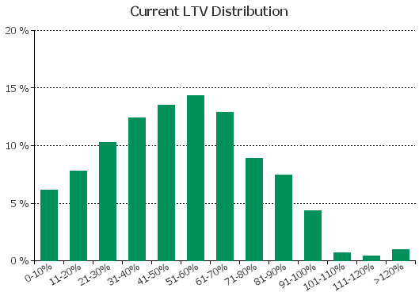
 | 13. Current Loan to Original Value (LTOV)
 |  | 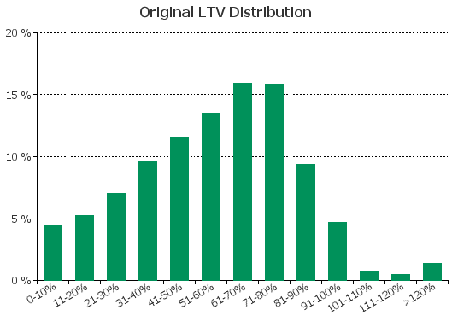
 | 14. Loan to Mortgage Inscription Ratio (LTM)
 |  | 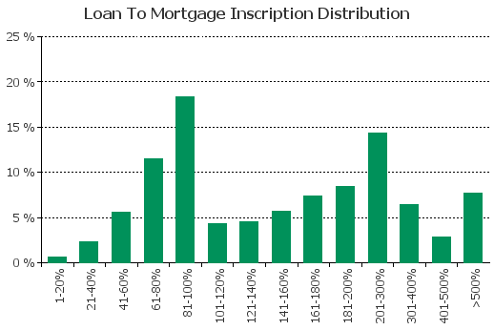
 | 15. Distribution of Average Life to Final Maturity (at 0% CPR)
 |  | 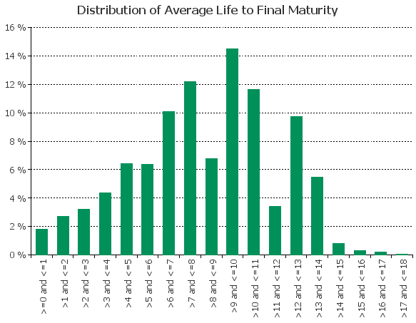
 | 16. Distribution of Average Life To Interest Reset Date (at 0% CPR)
 |  | 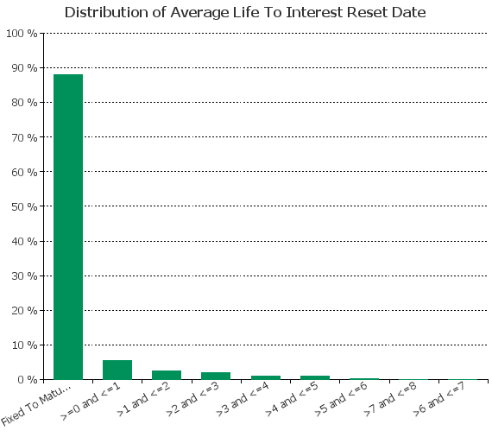
 | 17. Occupation Type (Based on Indexed Property Value)
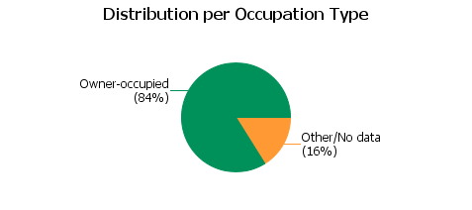
 | 18. IFRS9 Norms

